Predicting The number of Custom
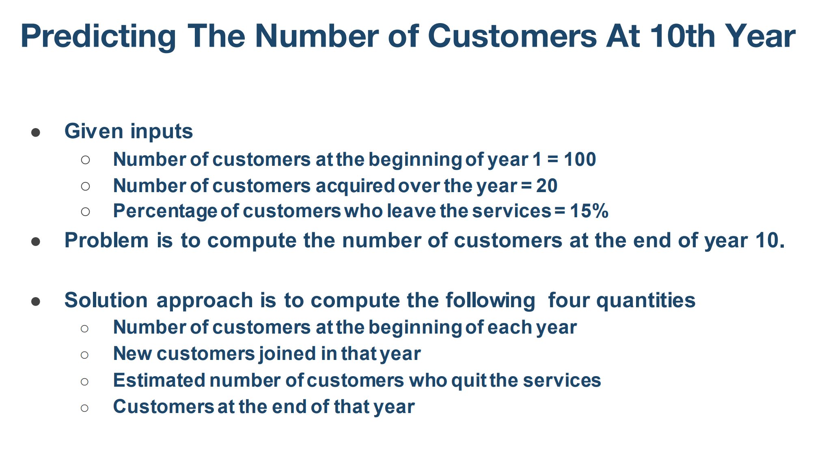

 |  |  |  |  |  |  |  | 1st yer | number of customers at the begineeing of 1 st year | 100
 |  |  |  |  |  |  |  |  | new customers join in 1st year | 20

 |  |  |  |  |  |  |  | 15 % of 100 | estimate number of customers who quit at services | 15
 |  |  |  |  |  |  |  |  | customers at end of year | 100+20-15=105
 |  |  |  |  |  |  |  |  | customers at the end of year 10

 |  |  |  |  |  |  |  | 2nd year | number of customers at the begineeing of2nd year | 105
 |  |  |  |  |  |  |  |  | new customers join in 2nd year | 20

 |  |  |  |  |  |  |  |  | estimate number of customers who quit at services | 15.75(15%105)
 |  |  |  |  |  |  |  |  | customers at end of year | 105+20-15.75=109.25

 |  |  |  |  |  |  |  | 3rd year | number of customers at the begineeing of3rd year | 109.25
 |  |  |  |  |  |  |  |  | new customers join in 3rd year | 20

 |  |  |  |  |  |  |  |  | estimate number of customers who quit at services | (15%109.25)
 |  |  |  |  |  |  |  |  | customers at end of year
 | Yeat | Start Customer | New Customers | quits | end customers
 | 1 | 100 | 20 | 15 | 105 |  |  | 4th | number of customers at the begineeing of 4th year
 | 2 |  |  |  |  |  |  |  | new customers join in 4th year
 | 3
 | 4 |  |  |  |  |  |  |  | estimate number of customers who quit at services
 | 5 |  |  |  |  |  |  |  | customers at end of year
 | 6
 | 7 |  |  |  |  |  |  | 5th | number of customers at the begineeing of 5th year
 | 8 |  |  |  |  |  |  |  | new customers join in 5th year
 | 9
 | 10 |  |  |  |  |  |  |  | estimate number of customers who quit at services
 |  |  |  |  |  |  |  |  | customers at end of year
Demand

 | Price
cost | 2 | 2.5 | 3 | 3.5 | 4 | 4.5 | 5
1
1.5
2

Coffee Demand Curve Estimaation
What is a Demand Curve?

A demand curve is a graphical representation that shows the relationship between the price of a product and the quantity demanded by consumers at various prices, assuming all other factors remain constant

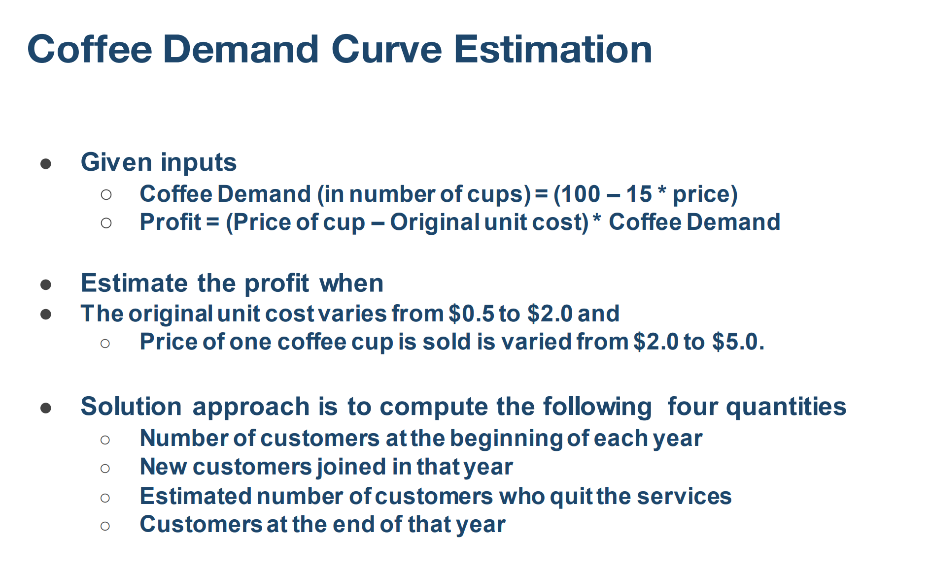

 | uni t cosr | price | demand | profit
 | 0.5 | 2.5
 | 1 | 2.5
 | 1.5 | 2.5
 | 2 | 2.5

 | unit cost
 | 0.5 | 2
 | 1 | 2
 | 1.5 | 2
 | 2 | 2

 |  | 2
 |  | 2.5
 |  | 3
 |  | 3.5
 |  | 4
 |  | 4.5

Vlook up
What is VLOOKUP in Excel?

VLOOKUP (Vertical Lookup) is a function in Excel used to search for a value in the first column of a range or table and return a value in the same row from another column.

 |  | table 1 | table 2
 | id | student name | marks | id

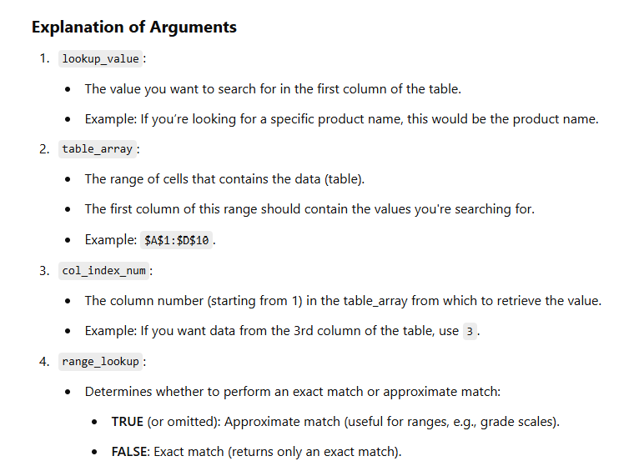

The lookup value must be in the first column of the table_array.
The table_array should be sorted in ascending order if using TRUE for range_lookup.
Use absolute references (e.g., $A$1:$D$10) for the table_array to avoid errors when copying the formula.

Hlook up
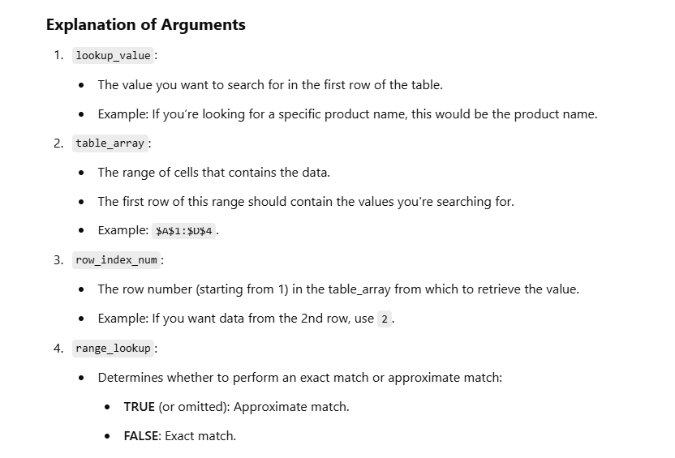
What is HLOOKUP in Excel?

HLOOKUP (Horizontal Lookup) is a function in Excel that searches for a value in the first row of a table or range and returns a value in the same column from a specified row.

Xlookup
Order ID | Product | Units Sold | Date | Revenue per cookie | Cost per cookie | Order Profit | Revenue Per Cookie | Cost Per Cookie | Cookie Type
266868 | Chocolate Chip | 292 | 2020-01-02 |  |  |  | $5.00 | ($2.00) | Chocolate Chip
140794 | Chocolate Chip | 974 | 2020-01-02 |  |  |  | $1.00 | ($0.50) | Fortune Cookie
684759 | Chocolate Chip | 2,518 | 2020-01-06 |  |  |  | $5.00 | ($2.20) | Oatmeal Raisin
640447 | Chocolate Chip | 1,006 | 2020-01-06 |  |  |  | $4.00 | ($1.50) | Snickerdoodle
898637 | Chocolate Chip | 367 | 2020-01-07 |  |  |  | $3.00 | ($1.25) | Sugar
889571 | Chocolate Chip | 883 | 2020-01-08 |  |  |  | $6.00 | ($2.75) | White Chocolate Macadamia Nut
738711 | Chocolate Chip | 549 | 2019-01-09
505339 | Chocolate Chip | 788 | 2019-01-09
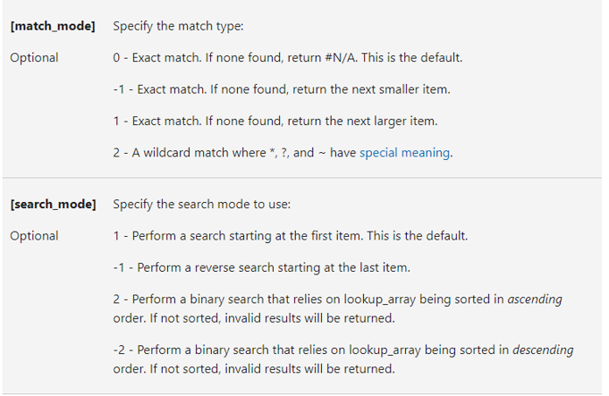
703997 | Chocolate Chip | 2,472 | 2020-01-09
308620 | Chocolate Chip | 1,143 | 2020-01-10
289811 | Chocolate Chip | 1,725 | 2019-01-11
144696 | Chocolate Chip | 912 | 2019-01-11
529550 | Chocolate Chip | 2,152 | 2019-01-12
481875 | Chocolate Chip | 1,817 | 2020-01-12
183251 | Chocolate Chip | 1,513 | 2020-01-12
361305 | Chocolate Chip | 3,945 | 2020-01-01
579016 | Chocolate Chip | 2,296 | 2020-01-02
600124 | Chocolate Chip | 1,030 | 2020-01-05
562219 | Chocolate Chip | 1,514 | 2020-01-02
283378 | Chocolate Chip | 4,493 | 2020-01-04
885205 | Chocolate Chip | 727 | 2020-01-06
387444 | Chocolate Chip | 787 | 2020-01-06
534742 | Chocolate Chip | 1,823 | 2020-01-07
320688 | Chocolate Chip | 747 | 2020-01-09
238791 | Chocolate Chip | 766 | 2019-01-10
160202 | Chocolate Chip | 2,905 | 2020-01-11
481324 | Chocolate Chip | 2,155 | 2020-01-12
550816 | Chocolate Chip | 2,363 | 2020-01-02
770750 | Chocolate Chip | 918 | 2020-01-05
365463 | Chocolate Chip | 1,728 | 2020-01-05
234290 | Chocolate Chip | 1,142 | 2020-01-06
847203 | Chocolate Chip | 662 | 2020-01-06
776532 | Chocolate Chip | 1,295 | 2020-01-10
875012 | Chocolate Chip | 809 | 2019-01-10
505159 | Chocolate Chip | 2,145 | 2019-01-10
303687 | Chocolate Chip | 1,785 | 2019-01-11
778039 | Chocolate Chip | 1,916 | 2020-01-12
177011 | Chocolate Chip | 2,852 | 2020-01-12
306694 | Chocolate Chip | 2,729 | 2020-01-12
793514 | Chocolate Chip | 1,925 | 2019-01-12
780708 | Chocolate Chip | 2,013 | 2019-01-12
531834 | Chocolate Chip | 1,055 | 2020-01-12
300303 | Chocolate Chip | 1,084 | 2020-01-12
859158 | Chocolate Chip | 2,435 | 2020-01-01
779279 | Chocolate Chip | 1,774 | 2020-01-03
296424 | Chocolate Chip | 1,901 | 2020-01-06
578401 | Chocolate Chip | 689 | 2020-01-06
365552 | Chocolate Chip | 1,570 | 2020-01-06
713958 | Chocolate Chip | 1,370 | 2020-01-07
164895 | Chocolate Chip | 2,009 | 2020-01-10
675075 | Chocolate Chip | 1,945 | 2019-01-10
455780 | Chocolate Chip | 1,287 | 2020-01-12
566401 | Chocolate Chip | 1,706 | 2020-01-12
141665 | Chocolate Chip | 1,760 | 2019-01-09
872825 | Chocolate Chip | 2,031 | 2020-01-10
738910 | Chocolate Chip | 2,261 | 2019-01-12
239419 | Chocolate Chip | 4,251 | 2020-01-01
776513 | Chocolate Chip | 795 | 2020-01-03
595670 | Chocolate Chip | 1,415 | 2020-01-04
549329 | Chocolate Chip | 2,918 | 2020-01-05
824253 | Chocolate Chip | 3,450 | 2020-01-07
288851 | Chocolate Chip | 2,988 | 2020-01-07
675035 | Chocolate Chip | 218 | 2020-01-09
255145 | Chocolate Chip | 2,074 | 2020-01-09
436748 | Chocolate Chip | 1,056 | 2020-01-09
707858 | Chocolate Chip | 671 | 2019-01-10
538134 | Chocolate Chip | 1,514 | 2019-01-10
817134 | Chocolate Chip | 274 | 2020-01-12
697568 | Chocolate Chip | 1,138 | 2020-01-12
631270 | Chocolate Chip | 1,372 | 2020-01-01
678731 | Chocolate Chip | 2,349 | 2019-01-09
335658 | Chocolate Chip | 2,689 | 2020-01-10
115582 | Chocolate Chip | 2,431 | 2020-01-12
833644 | Chocolate Chip | 1,303 | 2020-01-02
508782 | Chocolate Chip | 2,992 | 2020-01-03
726489 | Chocolate Chip | 2,385 | 2020-01-03
218291 | Chocolate Chip | 1,607 | 2020-01-04
779126 | Chocolate Chip | 2,327 | 2020-01-05
560581 | Chocolate Chip | 991 | 2020-01-06
369627 | Chocolate Chip | 602 | 2020-01-06
587035 | Chocolate Chip | 2,620 | 2020-01-09
697895 | Chocolate Chip | 1,228 | 2019-01-10
691331 | Chocolate Chip | 1,389 | 2019-01-10
852827 | Chocolate Chip | 861 | 2020-01-10
567484 | Chocolate Chip | 704 | 2019-01-10
348194 | Chocolate Chip | 1,802 | 2019-01-12
444225 | Chocolate Chip | 2,663 | 2020-01-12
685544 | Chocolate Chip | 2,136 | 2019-01-12
636993 | Chocolate Chip | 2,116 | 2019-01-12
603195 | Chocolate Chip | 3,801 | 2020-01-04
568366 | Chocolate Chip | 1,496 | 2020-01-06
176592 | Chocolate Chip | 2,299 | 2019-01-10
758323 | Chocolate Chip | 727 | 2019-01-10
698245 | Chocolate Chip | 2,198 | 2020-01-08
796346 | Chocolate Chip | 1,743 | 2020-01-08
203608 | Chocolate Chip | 1,153 | 2020-01-10
676135 | Chocolate Chip | 1,757 | 2019-01-10
142979 | Chocolate Chip | 1,031 | 2019-01-09
283491 | Chocolate Chip | 1,702 | 2020-01-05
807061 | Chocolate Chip | 448 | 2020-01-06
459019 | Chocolate Chip | 3,513 | 2020-01-07
126864 | Chocolate Chip | 2,101 | 2020-01-08
854455 | Chocolate Chip | 2,931 | 2019-01-09
293863 | Chocolate Chip | 1,535 | 2020-01-09
898591 | Chocolate Chip | 1,123 | 2019-01-09
521535 | Chocolate Chip | 1,404 | 2019-01-11
867252 | Chocolate Chip | 2,763 | 2019-01-11
146778 | Chocolate Chip | 2,125 | 2019-01-12
566983 | Chocolate Chip | 257 | 2020-01-05
686090 | Chocolate Chip | 1,114 | 2020-01-03
428676 | Chocolate Chip | 1,259 | 2020-01-04
278950 | Chocolate Chip | 1,095 | 2020-01-05
418690 | Chocolate Chip | 1,366 | 2020-01-06
496123 | Chocolate Chip | 2,460 | 2020-01-06
456841 | Chocolate Chip | 678 | 2020-01-08
513469 | Chocolate Chip | 1,598 | 2020-01-08
231476 | Chocolate Chip | 2,409 | 2019-01-09
100553 | Chocolate Chip | 1,934 | 2020-01-09
788375 | Chocolate Chip | 2,993 | 2020-01-09
263663 | Chocolate Chip | 2,146 | 2019-01-11
887888 | Chocolate Chip | 1,946 | 2019-01-12
816536 | Chocolate Chip | 1,362 | 2020-01-12
334678 | Chocolate Chip | 2,565 | 2020-01-01
527753 | Chocolate Chip | 2,417 | 2020-01-01
643111 | Chocolate Chip | 3,675 | 2020-01-04
529578 | Chocolate Chip | 1,094 | 2020-01-06
171515 | Chocolate Chip | 1,227 | 2020-01-10
266313 | Chocolate Chip | 367 | 2019-01-10
205484 | Chocolate Chip | 1,324 | 2020-01-11
839631 | Chocolate Chip | 1,775 | 2019-01-11
307196 | Chocolate Chip | 2,797 | 2020-01-12
123431 | Chocolate Chip | 973 | 2020-01-03
429472 | Chocolate Chip | 1,038 | 2020-01-06
336267 | Chocolate Chip | 360 | 2020-01-10
686651 | Chocolate Chip | 386 | 2019-01-10
761356 | Chocolate Chip | 1,954 | 2020-01-03
197639 | Chocolate Chip | 591 | 2020-01-05
712767 | Chocolate Chip | 2,167 | 2019-01-10
565251 | Chocolate Chip | 241 | 2020-01-10
436809 | Chocolate Chip | 2,532 | 2020-01-04
294935 | Chocolate Chip | 1,198 | 2019-01-10
103317 | Chocolate Chip | 873 | 2020-01-01
667288 | Chocolate Chip | 1,122 | 2020-01-03
735406 | Chocolate Chip | 2,105 | 2020-01-07
253399 | Chocolate Chip | 4,026 | 2020-01-07
146841 | Chocolate Chip | 2,426 | 2020-01-07
466133 | Chocolate Chip | 2,394 | 2020-01-08
159484 | Chocolate Chip | 1,984 | 2020-01-08
120842 | Chocolate Chip | 2,441 | 2020-01-10
440377 | Chocolate Chip | 2,992 | 2019-01-10
781275 | Chocolate Chip | 1,366 | 2020-01-11
607709 | Chocolate Chip | 380 | 2019-01-09
628402 | Chocolate Chip | 3,495 | 2020-01-01
249663 | Chocolate Chip | 886 | 2020-01-06
714255 | Chocolate Chip | 2,156 | 2020-01-10
170514 | Chocolate Chip | 905 | 2020-01-10
885201 | Chocolate Chip | 1,715 | 2019-01-10
559510 | Chocolate Chip | 1,594 | 2020-01-11
259455 | Chocolate Chip | 1,359 | 2020-01-11
389356 | Chocolate Chip | 2,150 | 2020-01-11
582048 | Chocolate Chip | 1,197 | 2020-01-11
737790 | Chocolate Chip | 380 | 2019-01-12
514463 | Chocolate Chip | 1,233 | 2020-01-12
143923 | Chocolate Chip | 1,531 | 2020-01-12
710711 | Chocolate Chip | 1,439 | 2020-01-01
608863 | Chocolate Chip | 807 | 2020-01-01
388978 | Chocolate Chip | 2,641 | 2020-01-02
209116 | Chocolate Chip | 2,708 | 2020-01-02
123693 | Chocolate Chip | 2,632 | 2020-01-06
670662 | Chocolate Chip | 1,583 | 2020-01-06
868182 | Chocolate Chip | 571 | 2020-01-07
121808 | Chocolate Chip | 2,696 | 2020-01-08
626543 | Chocolate Chip | 1,565 | 2020-01-10
374010 | Chocolate Chip | 1,249 | 2020-01-10
448428 | Chocolate Chip | 357 | 2020-01-11
721092 | Chocolate Chip | 1,013 | 2020-01-12
217341 | Chocolate Chip | 278 | 2020-01-02
442121 | Chocolate Chip | 2,428 | 2020-01-03
544855 | Chocolate Chip | 1,767 | 2020-01-09
158597 | Chocolate Chip | 1,393 | 2020-01-10
358353 | Chocolate Chip | 260 | 2020-01-02
864409 | Chocolate Chip | 2,470 | 2019-01-09
520865 | Chocolate Chip | 1,743 | 2019-01-10
898886 | Chocolate Chip | 2,914 | 2020-01-10
429735 | Chocolate Chip | 1,731 | 2020-01-10
778322 | Chocolate Chip | 700 | 2020-01-11
754823 | Chocolate Chip | 2,222 | 2019-01-11
763666 | Chocolate Chip | 1,177 | 2020-01-11
364025 | Chocolate Chip | 1,922 | 2019-01-11
690780 | Chocolate Chip | 1,158 | 2020-01-03
216326 | Chocolate Chip | 1,614 | 2020-01-04
844763 | Chocolate Chip | 2,535 | 2020-01-04
251968 | Chocolate Chip | 2,851 | 2020-01-05
408804 | Chocolate Chip | 2,559 | 2020-01-08
609851 | Chocolate Chip | 267 | 2019-01-10
332447 | Chocolate Chip | 1,085 | 2020-01-10
837170 | Chocolate Chip | 1,175 | 2020-01-10
117162 | Chocolate Chip | 2,007 | 2019-01-11
708450 | Chocolate Chip | 2,151 | 2019-01-11
855262 | Chocolate Chip | 914 | 2020-01-12
809091 | Chocolate Chip | 293 | 2020-01-12
170761 | Chocolate Chip | 723 | 2020-01-04
203604 | Fortune Cookie | 921 | 2020-01-03
830805 | Fortune Cookie | 2,518 | 2020-01-06
138739 | Fortune Cookie | 1,899 | 2020-01-06
830819 | Fortune Cookie | 1,545 | 2020-01-06
249098 | Fortune Cookie | 2,470 | 2020-01-06
252717 | Fortune Cookie | 2,666 | 2020-01-07
440487 | Fortune Cookie | 958 | 2020-01-08
366159 | Fortune Cookie | 2,146 | 2020-01-09
439030 | Fortune Cookie | 345 | 2019-01-10
227728 | Fortune Cookie | 615 | 2020-01-12
353832 | Fortune Cookie | 2,214 | 2020-01-03
142538 | Fortune Cookie | 2,301 | 2020-01-04
892418 | Fortune Cookie | 1,376 | 2020-01-07
459280 | Fortune Cookie | 1,830 | 2020-01-08
539666 | Fortune Cookie | 2,498 | 2019-01-09
625570 | Fortune Cookie | 663 | 2019-01-10
652401 | Fortune Cookie | 1,142 | 2020-01-06
326089 | Fortune Cookie | 1,566 | 2020-01-10
676869 | Fortune Cookie | 690 | 2020-01-11
113657 | Fortune Cookie | 1,660 | 2019-01-11
570270 | Fortune Cookie | 1,958 | 2020-01-02
445507 | Fortune Cookie | 1,901 | 2020-01-06
154432 | Fortune Cookie | 544 | 2020-01-09
806978 | Fortune Cookie | 1,797 | 2019-01-09
637451 | Fortune Cookie | 1,287 | 2020-01-12
494228 | Fortune Cookie | 1,706 | 2020-01-12
801641 | Fortune Cookie | 2,031 | 2020-01-10
823953 | Fortune Cookie | 1,967 | 2020-01-03
539522 | Fortune Cookie | 1,859 | 2020-01-08
873031 | Fortune Cookie | 2,851 | 2019-01-10
574744 | Fortune Cookie | 2,021 | 2020-01-10
130685 | Fortune Cookie | 1,138 | 2020-01-12
150704 | Fortune Cookie | 1,159 | 2019-01-10
779079 | Fortune Cookie | 1,385 | 2020-01-01
746705 | Fortune Cookie | 3,627 | 2020-01-07
594945 | Fortune Cookie | 720 | 2019-01-09
454312 | Fortune Cookie | 2,342 | 2020-01-11
830981 | Fortune Cookie | 1,100 | 2019-01-12
503244 | Fortune Cookie | 980 | 2020-01-04
199458 | Fortune Cookie | 1,460 | 2020-01-05
294390 | Fortune Cookie | 1,403 | 2019-01-10
128675 | Fortune Cookie | 2,723 | 2020-01-11
215754 | Fortune Cookie | 1,757 | 2019-01-10
336365 | Fortune Cookie | 2,340 | 2020-01-01
818777 | Fortune Cookie | 2,342 | 2020-01-11
757336 | Fortune Cookie | 1,976 | 2020-01-10
444955 | Fortune Cookie | 2,181 | 2020-01-10
443834 | Fortune Cookie | 2,500 | 2019-01-11
119754 | Fortune Cookie | 488 | 2020-01-02
173001 | Fortune Cookie | 1,282 | 2020-01-06
179673 | Fortune Cookie | 2,501 | 2020-01-03
123331 | Fortune Cookie | 708 | 2020-01-06
219898 | Fortune Cookie | 645 | 2020-01-07
141979 | Fortune Cookie | 1,562 | 2020-01-08
781308 | Fortune Cookie | 1,283 | 2019-01-09
711452 | Fortune Cookie | 711 | 2020-01-12
156617 | Fortune Cookie | 3,803 | 2020-01-04
487819 | Fortune Cookie | 1,666 | 2020-01-05
503591 | Fortune Cookie | 322 | 2019-01-09
272243 | Fortune Cookie | 2,321 | 2020-01-11
431913 | Fortune Cookie | 1,857 | 2019-01-11
270516 | Fortune Cookie | 1,611 | 2019-01-12
390387 | Fortune Cookie | 2,797 | 2020-01-12
254540 | Fortune Cookie | 334 | 2019-01-12
724808 | Fortune Cookie | 2,328 | 2020-01-09
561083 | Fortune Cookie | 2,313 | 2020-01-05
352793 | Fortune Cookie | 1,804 | 2019-01-11
742570 | Fortune Cookie | 2,072 | 2020-01-12
121208 | Fortune Cookie | 766 | 2020-01-01
644686 | Fortune Cookie | 2,992 | 2019-01-10
881771 | Fortune Cookie | 2,157 | 2020-01-12
517456 | Fortune Cookie | 677 | 2020-01-03
433556 | Fortune Cookie | 1,773 | 2020-01-04
741765 | Fortune Cookie | 2,420 | 2020-01-09
533611 | Fortune Cookie | 2,734 | 2020-01-10
347412 | Fortune Cookie | 1,715 | 2019-01-10
469636 | Fortune Cookie | 1,186 | 2019-01-12
200053 | Fortune Cookie | 2,661 | 2020-01-05
348844 | Fortune Cookie | 983 | 2020-01-01
541297 | Fortune Cookie | 1,298 | 2020-01-02
280321 | Fortune Cookie | 604 | 2020-01-06
434964 | Fortune Cookie | 2,255 | 2020-01-07
505218 | Fortune Cookie | 1,249 | 2020-01-10
715966 | Fortune Cookie | 293 | 2020-01-02
295198 | Fortune Cookie | 2,996 | 2019-01-10
529423 | Fortune Cookie | 2,228 | 2020-01-01
721311 | Fortune Cookie | 1,199 | 2020-01-04
205221 | Fortune Cookie | 200 | 2020-01-05
397049 | Fortune Cookie | 388 | 2020-01-09
164574 | Fortune Cookie | 1,727 | 2019-01-10
138137 | Fortune Cookie | 2,300 | 2020-01-12
894001 | Fortune Cookie | 546 | 2020-01-10
605154 | Fortune Cookie | 1,368 | 2020-01-02
736328 | Oatmeal Raisin | 2,750 | 2020-01-02
731074 | Oatmeal Raisin | 1,953 | 2020-01-04
739483 | Oatmeal Raisin | 4,220 | 2020-01-04
609228 | Oatmeal Raisin | 1,899 | 2020-01-06
754791 | Oatmeal Raisin | 1,686 | 2020-01-07
348619 | Oatmeal Raisin | 2,141 | 2020-01-08
170867 | Oatmeal Raisin | 1,143 | 2020-01-10
183779 | Oatmeal Raisin | 615 | 2020-01-12
304546 | Oatmeal Raisin | 1,989 | 2019-01-09
182735 | Oatmeal Raisin | 321 | 2019-01-11
150101 | Oatmeal Raisin | 259 | 2020-01-03
604462 | Oatmeal Raisin | 1,101 | 2020-01-03
655952 | Oatmeal Raisin | 2,276 | 2020-01-05
253215 | Oatmeal Raisin | 2,966 | 2019-01-10
734809 | Oatmeal Raisin | 1,236 | 2020-01-11
544809 | Oatmeal Raisin | 941 | 2020-01-11
580583 | Oatmeal Raisin | 1,916 | 2020-01-12
283163 | Oatmeal Raisin | 1,865 | 2020-01-02
558408 | Oatmeal Raisin | 1,074 | 2020-01-04
788478 | Oatmeal Raisin | 1,907 | 2020-01-09
397008 | Oatmeal Raisin | 671 | 2019-01-10
733366 | Oatmeal Raisin | 1,778 | 2019-01-12
602865 | Oatmeal Raisin | 1,683 | 2020-01-07
304458 | Oatmeal Raisin | 1,123 | 2020-01-08
151329 | Oatmeal Raisin | 1,159 | 2019-01-10
357838 | Oatmeal Raisin | 1,350 | 2020-01-02
399302 | Oatmeal Raisin | 552 | 2020-01-08
117166 | Oatmeal Raisin | 1,228 | 2019-01-10
707082 | Oatmeal Raisin | 1,250 | 2020-01-12
131249 | Oatmeal Raisin | 1,988 | 2020-01-01
551372 | Oatmeal Raisin | 1,679 | 2020-01-09
698573 | Oatmeal Raisin | 727 | 2019-01-10
504962 | Oatmeal Raisin | 1,403 | 2019-01-10
657776 | Oatmeal Raisin | 2,076 | 2019-01-10
691342 | Oatmeal Raisin | 1,135 | 2020-01-06
493427 | Oatmeal Raisin | 1,645 | 2020-01-05
271981 | Oatmeal Raisin | 2,876 | 2020-01-09
766207 | Oatmeal Raisin | 994 | 2019-01-09
653226 | Oatmeal Raisin | 1,118 | 2020-01-11
560670 | Oatmeal Raisin | 1,372 | 2020-01-12
786700 | Oatmeal Raisin | 1,282 | 2020-01-06
137921 | Oatmeal Raisin | 708 | 2020-01-06
755930 | Oatmeal Raisin | 2,907 | 2020-01-06
277131 | Oatmeal Raisin | 1,366 | 2020-01-06
235897 | Oatmeal Raisin | 2,460 | 2020-01-06
872307 | Oatmeal Raisin | 1,520 | 2020-01-11
103888 | Oatmeal Raisin | 711 | 2020-01-12
545954 | Oatmeal Raisin | 1,375 | 2019-01-12
480891 | Oatmeal Raisin | 635 | 2020-01-12
444725 | Oatmeal Raisin | 2,071 | 2020-01-09
131700 | Oatmeal Raisin | 1,269 | 2020-01-10
256775 | Oatmeal Raisin | 970 | 2019-01-11
686661 | Oatmeal Raisin | 1,694 | 2020-01-11
842675 | Oatmeal Raisin | 1,038 | 2020-01-06
571542 | Oatmeal Raisin | 1,631 | 2020-01-07
581556 | Oatmeal Raisin | 306 | 2019-01-12
884057 | Oatmeal Raisin | 579 | 2020-01-01
761022 | Oatmeal Raisin | 2,240 | 2020-01-02
215670 | Oatmeal Raisin | 2,993 | 2020-01-03
272552 | Oatmeal Raisin | 3,521 | 2020-01-04
120233 | Oatmeal Raisin | 2,039 | 2020-01-05
702523 | Oatmeal Raisin | 2,574 | 2020-01-08
267107 | Oatmeal Raisin | 707 | 2020-01-09
190154 | Oatmeal Raisin | 2,072 | 2020-01-12
681348 | Oatmeal Raisin | 853 | 2020-01-12
104326 | Oatmeal Raisin | 3,200 | 2020-01-07
323754 | Oatmeal Raisin | 472 | 2020-01-10
382237 | Oatmeal Raisin | 3,165 | 2020-01-01
424398 | Oatmeal Raisin | 2,629 | 2020-01-01
821698 | Oatmeal Raisin | 1,433 | 2020-01-05
550622 | Oatmeal Raisin | 947 | 2019-01-09
423355 | Oatmeal Raisin | 344 | 2019-01-10
441751 | Oatmeal Raisin | 2,157 | 2020-01-12
531656 | Oatmeal Raisin | 270 | 2020-01-02
261362 | Oatmeal Raisin | 3,422 | 2020-01-07
723364 | Oatmeal Raisin | 2,734 | 2020-01-10
519269 | Oatmeal Raisin | 2,548 | 2019-01-11
410583 | Oatmeal Raisin | 2,761 | 2019-01-09
665489 | Oatmeal Raisin | 1,659 | 2020-01-01
479703 | Oatmeal Raisin | 1,190 | 2020-01-06
148871 | Oatmeal Raisin | 410 | 2020-01-10
786473 | Oatmeal Raisin | 1,770 | 2019-01-12
540063 | Oatmeal Raisin | 1,393 | 2020-01-10
208984 | Oatmeal Raisin | 2,015 | 2019-01-12
858624 | Oatmeal Raisin | 888 | 2020-01-03
374115 | Oatmeal Raisin | 2,844 | 2020-01-05
140516 | Oatmeal Raisin | 2,475 | 2020-01-08
594129 | Oatmeal Raisin | 1,743 | 2019-01-10
841420 | Oatmeal Raisin | 2,914 | 2020-01-10
707748 | Oatmeal Raisin | 1,731 | 2020-01-10
225353 | Oatmeal Raisin | 1,727 | 2019-01-10
227896 | Oatmeal Raisin | 1,870 | 2019-01-11
683349 | Oatmeal Raisin | 2,475 | 2020-01-03
578917 | Oatmeal Raisin | 546 | 2020-01-10
194906 | Snickerdoodle | 1,619 | 2020-01-01
858867 | Snickerdoodle | 1,321 | 2020-01-01
649737 | Snickerdoodle | 2,178 | 2020-01-06
361699 | Snickerdoodle | 888 | 2020-01-06
293680 | Snickerdoodle | 2,470 | 2020-01-06
682634 | Snickerdoodle | 1,513 | 2020-01-12
161388 | Snickerdoodle | 1,858 | 2020-01-02
103112 | Snickerdoodle | 1,210 | 2020-01-03
406431 | Snickerdoodle | 2,529 | 2020-01-07
869055 | Snickerdoodle | 1,445 | 2020-01-09
616987 | Snickerdoodle | 330 | 2019-01-09
111799 | Snickerdoodle | 2,671 | 2020-01-09
576749 | Snickerdoodle | 766 | 2019-01-10
238485 | Snickerdoodle | 494 | 2019-01-10
128044 | Snickerdoodle | 1,397 | 2020-01-10
338090 | Snickerdoodle | 2,155 | 2020-01-12
178855 | Snickerdoodle | 743 | 2020-01-04
601636 | Snickerdoodle | 1,295 | 2020-01-10
893967 | Snickerdoodle | 214 | 2019-01-10
403455 | Snickerdoodle | 2,145 | 2019-01-11
866409 | Snickerdoodle | 2,852 | 2020-01-12
765655 | Snickerdoodle | 4,244 | 2020-01-04
732442 | Snickerdoodle | 2,580 | 2020-01-04
745878 | Snickerdoodle | 689 | 2020-01-06
863607 | Snickerdoodle | 1,947 | 2020-01-09
249563 | Snickerdoodle | 908 | 2019-01-12
355733 | Snickerdoodle | 831 | 2020-01-05
654585 | Snickerdoodle | 2,851 | 2019-01-10
725869 | Snickerdoodle | 2,021 | 2020-01-10
882680 | Snickerdoodle | 274 | 2020-01-12
449939 | Snickerdoodle | 1,865 | 2020-01-02
787606 | Snickerdoodle | 1,116 | 2020-01-02
295574 | Snickerdoodle | 1,563 | 2020-01-05
551997 | Snickerdoodle | 991 | 2020-01-06
296951 | Snickerdoodle | 1,016 | 2019-01-11
812448 | Snickerdoodle | 2,791 | 2020-01-11
539656 | Snickerdoodle | 570 | 2020-01-12
348955 | Snickerdoodle | 2,487 | 2020-01-12
137994 | Snickerdoodle | 1,118 | 2020-01-01
779393 | Snickerdoodle | 2,844 | 2020-01-06
443447 | Snickerdoodle | 562 | 2020-01-09
288662 | Snickerdoodle | 2,299 | 2019-01-10
768268 | Snickerdoodle | 2,030 | 2020-01-11
680427 | Snickerdoodle | 263 | 2019-01-11
847678 | Snickerdoodle | 887 | 2019-01-12
421883 | Snickerdoodle | 727 | 2020-01-02
572044 | Snickerdoodle | 1,884 | 2020-01-08
119027 | Snickerdoodle | 1,834 | 2019-01-09
345233 | Snickerdoodle | 1,761 | 2020-01-03
115306 | Snickerdoodle | 448 | 2020-01-06
310429 | Snickerdoodle | 2,181 | 2020-01-10
495847 | Snickerdoodle | 1,540 | 2020-01-08
297812 | Snickerdoodle | 490 | 2020-01-11
702657 | Snickerdoodle | 1,362 | 2020-01-12
629559 | Snickerdoodle | 1,094 | 2020-01-06
496752 | Snickerdoodle | 367 | 2019-01-10
273665 | Snickerdoodle | 663 | 2020-01-05
865204 | Snickerdoodle | 819 | 2020-01-07
203224 | Snickerdoodle | 1,580 | 2020-01-09
361276 | Snickerdoodle | 521 | 2020-01-12
395290 | Snickerdoodle | 386 | 2019-01-10
876370 | Snickerdoodle | 3,446 | 2020-01-04
788517 | Snickerdoodle | 1,482 | 2019-01-12
518063 | Snickerdoodle | 1,198 | 2019-01-10
241164 | Snickerdoodle | 1,937 | 2020-01-02
242657 | Snickerdoodle | 792 | 2020-01-03
327555 | Snickerdoodle | 2,811 | 2020-01-07
363487 | Snickerdoodle | 2,441 | 2020-01-10
607051 | Snickerdoodle | 1,560 | 2019-01-11
535522 | Snickerdoodle | 2,706 | 2019-01-11
533938 | Snickerdoodle | 886 | 2020-01-06
105566 | Snickerdoodle | 2,416 | 2019-01-09
694579 | Snickerdoodle | 2,156 | 2020-01-10
483789 | Snickerdoodle | 2,689 | 2020-01-11
728960 | Snickerdoodle | 2,522 | 2020-01-01
759173 | Snickerdoodle | 2,567 | 2020-01-06
602911 | Snickerdoodle | 923 | 2020-01-03
317699 | Snickerdoodle | 1,790 | 2020-01-03
676544 | Snickerdoodle | 442 | 2019-01-09
455417 | Snickerdoodle | 2,579 | 2020-01-04
759484 | Snickerdoodle | 1,743 | 2020-01-05
727283 | Snickerdoodle | 2,996 | 2019-01-10
684001 | Snickerdoodle | 280 | 2020-01-12
372739 | Snickerdoodle | 801 | 2020-01-07
285799 | Snickerdoodle | 1,023 | 2019-01-09
289035 | Snickerdoodle | 1,496 | 2020-01-10
411519 | Snickerdoodle | 1,010 | 2020-01-10
199710 | Snickerdoodle | 1,513 | 2020-01-11
632637 | Snickerdoodle | 2,300 | 2020-01-12
384743 | Snickerdoodle | 2,821 | 2019-01-12
819278 | Snickerdoodle | 1,174 | 2020-01-08
858434 | Snickerdoodle | 2,767 | 2020-01-08
329257 | Snickerdoodle | 1,085 | 2020-01-10
793118 | Sugar | 2,001 | 2020-01-02
355287 | Sugar | 2,838 | 2020-01-04
246621 | Sugar | 2,178 | 2020-01-06
641259 | Sugar | 888 | 2020-01-06
587301 | Sugar | 1,527 | 2019-01-09
505496 | Sugar | 2,151 | 2020-01-09
745887 | Sugar | 1,817 | 2020-01-12
514091 | Sugar | 1,326 | 2020-01-03
735280 | Sugar | 263 | 2020-01-03
540473 | Sugar | 944 | 2020-01-04
327845 | Sugar | 727 | 2020-01-06
460452 | Sugar | 787 | 2020-01-06
354480 | Sugar | 986 | 2020-01-09
243929 | Sugar | 494 | 2019-01-10
791359 | Sugar | 1,397 | 2020-01-10
275167 | Sugar | 1,744 | 2020-01-11
160577 | Sugar | 662 | 2020-01-06
827058 | Sugar | 214 | 2019-01-10
439635 | Sugar | 2,877 | 2020-01-10
752965 | Sugar | 2,729 | 2020-01-12
454417 | Sugar | 266 | 2019-01-12
434482 | Sugar | 1,940 | 2019-01-12
632111 | Sugar | 2,844 | 2020-01-02
703612 | Sugar | 1,916 | 2020-01-04
358173 | Sugar | 1,570 | 2020-01-06
149767 | Sugar | 1,874 | 2020-01-08
108848 | Sugar | 1,642 | 2020-01-08
623371 | Sugar | 1,945 | 2019-01-10
444395 | Sugar | 2,479 | 2020-01-01
818048 | Sugar | 866 | 2020-01-05
581507 | Sugar | 349 | 2019-01-09
144559 | Sugar | 2,177 | 2020-01-10
592176 | Sugar | 1,514 | 2019-01-10
639651 | Sugar | 2,689 | 2020-01-10
426898 | Sugar | 1,389 | 2019-01-10
646205 | Sugar | 1,265 | 2019-01-11
872775 | Sugar | 2,297 | 2019-01-11
774130 | Sugar | 2,663 | 2020-01-12
899502 | Sugar | 570 | 2020-01-12
792599 | Sugar | 2,487 | 2020-01-12
701669 | Sugar | 2,844 | 2020-01-06
721252 | Sugar | 1,498 | 2020-01-06
425472 | Sugar | 1,221 | 2019-01-10
441711 | Sugar | 1,123 | 2019-01-11
562962 | Sugar | 2,436 | 2019-01-12
666684 | Sugar | 1,153 | 2020-01-10
361541 | Sugar | 1,739 | 2020-01-04
899556 | Sugar | 2,215 | 2019-01-09
628954 | Sugar | 1,582 | 2020-01-12
617395 | Sugar | 3,245 | 2020-01-01
619210 | Sugar | 959 | 2020-01-02
210209 | Sugar | 2,747 | 2020-01-02
324307 | Sugar | 575 | 2020-01-04
406234 | Sugar | 2,338 | 2020-01-06
464364 | Sugar | 381 | 2020-01-08
350494 | Sugar | 422 | 2020-01-08
711362 | Sugar | 2,134 | 2020-01-09
451947 | Sugar | 808 | 2019-01-12
633142 | Sugar | 437 | 2020-01-07
462436 | Sugar | 1,956 | 2020-01-01
184366 | Sugar | 2,659 | 2020-01-02
151130 | Sugar | 1,352 | 2020-01-04
747194 | Sugar | 880 | 2020-01-05
390355 | Sugar | 1,867 | 2020-01-09
594463 | Sugar | 2,234 | 2019-01-09
699845 | Sugar | 1,227 | 2020-01-10
867837 | Sugar | 877 | 2020-01-11
881898 | Sugar | 360 | 2020-01-10
750389 | Sugar | 2,682 | 2019-01-11
102288 | Sugar | 521 | 2020-01-12
727045 | Sugar | 341 | 2020-01-05
485947 | Sugar | 641 | 2020-01-07
363822 | Sugar | 2,807 | 2020-01-08
494850 | Sugar | 432 | 2020-01-09
540189 | Sugar | 2,294 | 2019-01-10
823956 | Sugar | 2,167 | 2019-01-10
820943 | Sugar | 2,529 | 2020-01-11
366080 | Sugar | 1,870 | 2019-01-12
565067 | Sugar | 1,579 | 2020-01-03
808356 | Sugar | 1,005 | 2019-01-09
153144 | Sugar | 1,734 | 2020-01-01
878522 | Sugar | 554 | 2020-01-01
856913 | Sugar | 2,935 | 2019-01-11
644843 | Sugar | 2,109 | 2020-01-05
219485 | Sugar | 3,875 | 2020-01-07
362208 | Sugar | 623 | 2019-01-09
305275 | Sugar | 986 | 2020-01-10
601126 | Sugar | 2,387 | 2020-01-11
871331 | Sugar | 1,233 | 2020-01-12
138905 | Sugar | 1,491 | 2020-01-03
521663 | Sugar | 1,531 | 2020-01-12
384410 | Sugar | 2,567 | 2020-01-06
561318 | Sugar | 1,583 | 2020-01-06
762271 | Sugar | 1,565 | 2020-01-10
528145 | Sugar | 280 | 2020-01-12
800536 | Sugar | 2,903 | 2020-01-03
444518 | Sugar | 2,541 | 2020-01-08
340032 | Sugar | 269 | 2019-01-10
356877 | Sugar | 1,496 | 2020-01-10
208723 | Sugar | 1,010 | 2020-01-10
510933 | Sugar | 1,281 | 2019-01-12
213778 | Sugar | 866 | 2020-01-07
414407 | Sugar | 492 | 2020-01-07
199727 | Sugar | 267 | 2019-01-10
330030 | Sugar | 1,175 | 2020-01-10
780393 | Sugar | 2,954 | 2019-01-11
483216 | Sugar | 552 | 2020-01-11
887151 | Sugar | 293 | 2020-01-12
559561 | Sugar | 1,806 | 2020-01-05
616386 | White Chocolate Macadamia Nut | 1,493 | 2020-01-01
775360 | White Chocolate Macadamia Nut | 1,804 | 2020-01-02
806592 | White Chocolate Macadamia Nut | 2,161 | 2020-01-03
552346 | White Chocolate Macadamia Nut | 1,006 | 2020-01-06
643742 | White Chocolate Macadamia Nut | 1,545 | 2020-01-06
685153 | White Chocolate Macadamia Nut | 2,821 | 2020-01-08
725066 | White Chocolate Macadamia Nut | 345 | 2019-01-10
584477 | White Chocolate Macadamia Nut | 639 | 2020-01-11
613058 | White Chocolate Macadamia Nut | 3,864 | 2020-01-04
729194 | White Chocolate Macadamia Nut | 362 | 2020-01-05
265959 | White Chocolate Macadamia Nut | 923 | 2020-01-08
196520 | White Chocolate Macadamia Nut | 663 | 2019-01-10
894331 | White Chocolate Macadamia Nut | 2,092 | 2019-01-11
149035 | White Chocolate Macadamia Nut | 1,566 | 2020-01-10
861720 | White Chocolate Macadamia Nut | 2,966 | 2019-01-10
426268 | White Chocolate Macadamia Nut | 2,877 | 2020-01-10
156941 | White Chocolate Macadamia Nut | 809 | 2019-01-10
431261 | White Chocolate Macadamia Nut | 2,145 | 2019-01-10
367956 | White Chocolate Macadamia Nut | 1,055 | 2020-01-12
214845 | White Chocolate Macadamia Nut | 544 | 2019-01-12
765978 | White Chocolate Macadamia Nut | 1,084 | 2020-01-12
899743 | White Chocolate Macadamia Nut | 2,009 | 2020-01-10
766402 | White Chocolate Macadamia Nut | 3,851 | 2020-01-04
455927 | White Chocolate Macadamia Nut | 736 | 2019-01-09
464499 | White Chocolate Macadamia Nut | 1,465 | 2020-01-03
558048 | White Chocolate Macadamia Nut | 2,646 | 2019-01-09
375461 | White Chocolate Macadamia Nut | 2,177 | 2020-01-10
673372 | White Chocolate Macadamia Nut | 2,431 | 2020-01-12
197116 | White Chocolate Macadamia Nut | 555 | 2020-01-01
165918 | White Chocolate Macadamia Nut | 2,861 | 2020-01-01
666752 | White Chocolate Macadamia Nut | 807 | 2020-01-02
192398 | White Chocolate Macadamia Nut | 602 | 2020-01-06
864063 | White Chocolate Macadamia Nut | 2,832 | 2020-01-08
355971 | White Chocolate Macadamia Nut | 1,579 | 2020-01-08
304806 | White Chocolate Macadamia Nut | 861 | 2020-01-10
295390 | White Chocolate Macadamia Nut | 704 | 2019-01-10
234670 | White Chocolate Macadamia Nut | 1,033 | 2019-01-12
553803 | White Chocolate Macadamia Nut | 1,250 | 2020-01-12
730844 | White Chocolate Macadamia Nut | 952 | 2020-01-02
218006 | White Chocolate Macadamia Nut | 2,755 | 2020-01-02
374150 | White Chocolate Macadamia Nut | 1,530 | 2020-01-05
250308 | White Chocolate Macadamia Nut | 1,496 | 2020-01-06
625104 | White Chocolate Macadamia Nut | 1,498 | 2020-01-06
669715 | White Chocolate Macadamia Nut | 1,221 | 2019-01-10
881268 | White Chocolate Macadamia Nut | 2,076 | 2019-01-10
263637 | White Chocolate Macadamia Nut | 1,001 | 2020-01-08
169621 | White Chocolate Macadamia Nut | 1,333 | 2020-01-11
636371 | White Chocolate Macadamia Nut | 1,262 | 2020-01-05
223911 | White Chocolate Macadamia Nut | 1,135 | 2020-01-06
433084 | White Chocolate Macadamia Nut | 547 | 2020-01-11
818350 | White Chocolate Macadamia Nut | 1,582 | 2020-01-12
614031 | White Chocolate Macadamia Nut | 1,659 | 2020-01-07
741049 | White Chocolate Macadamia Nut | 609 | 2020-01-08
529471 | White Chocolate Macadamia Nut | 2,087 | 2020-01-09
235009 | White Chocolate Macadamia Nut | 1,976 | 2020-01-10
562718 | White Chocolate Macadamia Nut | 1,421 | 2019-01-12
640346 | White Chocolate Macadamia Nut | 1,372 | 2020-01-12
629523 | White Chocolate Macadamia Nut | 588 | 2019-01-12
856865 | White Chocolate Macadamia Nut | 598 | 2020-01-03
567117 | White Chocolate Macadamia Nut | 2,907 | 2020-01-06
507642 | White Chocolate Macadamia Nut | 2,338 | 2020-01-06
289924 | White Chocolate Macadamia Nut | 386 | 2019-01-11
751314 | White Chocolate Macadamia Nut | 635 | 2020-01-12
847731 | White Chocolate Macadamia Nut | 245 | 2020-01-05
710702 | White Chocolate Macadamia Nut | 3,794 | 2020-01-07
696979 | White Chocolate Macadamia Nut | 1,307 | 2020-01-07
609418 | White Chocolate Macadamia Nut | 567 | 2020-01-09
764088 | White Chocolate Macadamia Nut | 2,110 | 2020-01-09
447945 | White Chocolate Macadamia Nut | 1,269 | 2020-01-10
751733 | White Chocolate Macadamia Nut | 1,967 | 2020-01-03
507202 | White Chocolate Macadamia Nut | 2,628 | 2020-01-04
311475 | White Chocolate Macadamia Nut | 681 | 2020-01-01
581762 | White Chocolate Macadamia Nut | 510 | 2020-01-04
217808 | White Chocolate Macadamia Nut | 790 | 2020-01-05
897372 | White Chocolate Macadamia Nut | 639 | 2020-01-07
748204 | White Chocolate Macadamia Nut | 1,596 | 2020-01-09
378254 | White Chocolate Macadamia Nut | 2,294 | 2019-01-10
775311 | White Chocolate Macadamia Nut | 241 | 2020-01-10
632477 | White Chocolate Macadamia Nut | 2,665 | 2020-01-11
482625 | White Chocolate Macadamia Nut | 1,916 | 2019-01-12
428131 | White Chocolate Macadamia Nut | 853 | 2020-01-12
120418 | White Chocolate Macadamia Nut | 384 | 2020-01-01
885051 | White Chocolate Macadamia Nut | 472 | 2020-01-10
494115 | White Chocolate Macadamia Nut | 2,805 | 2019-01-09
573970 | White Chocolate Macadamia Nut | 655 | 2019-01-09
403071 | White Chocolate Macadamia Nut | 344 | 2019-01-10
356550 | White Chocolate Macadamia Nut | 1,808 | 2020-01-11
638098 | White Chocolate Macadamia Nut | 1,395 | 2020-01-07
382008 | White Chocolate Macadamia Nut | 986 | 2020-01-10
234667 | White Chocolate Macadamia Nut | 905 | 2020-01-10
397386 | White Chocolate Macadamia Nut | 3,998 | 2020-01-01
488771 | White Chocolate Macadamia Nut | 2,632 | 2020-01-06
168032 | White Chocolate Macadamia Nut | 1,190 | 2020-01-06
135967 | White Chocolate Macadamia Nut | 604 | 2020-01-06
899629 | White Chocolate Macadamia Nut | 660 | 2019-01-09
617339 | White Chocolate Macadamia Nut | 410 | 2020-01-10
814769 | White Chocolate Macadamia Nut | 2,605 | 2019-01-11
758487 | White Chocolate Macadamia Nut | 1,013 | 2020-01-12
674043 | White Chocolate Macadamia Nut | 1,575 | 2020-01-02
349645 | White Chocolate Macadamia Nut | 606 | 2020-01-04
233911 | White Chocolate Macadamia Nut | 2,460 | 2020-01-07
867907 | White Chocolate Macadamia Nut | 269 | 2019-01-10
752353 | White Chocolate Macadamia Nut | 2,536 | 2019-01-11
600167 | White Chocolate Macadamia Nut | 500 | 2020-01-03
853295 | White Chocolate Macadamia Nut | 2,826 | 2020-01-05
253981 | White Chocolate Macadamia Nut | 663 | 2020-01-09
208456 | White Chocolate Macadamia Nut | 2,574 | 2019-01-11
727940 | White Chocolate Macadamia Nut | 2,438 | 2019-01-12
414628 | White Chocolate Macadamia Nut | 914 | 2020-01-12

Xlookup Wild Card Mode
Customer ID | Name
9934 | Tres Delicious | First customer that starts with a W
7418 | ABC Groceries | Name
5399 | ACME Bites
7997 | Wholesome Foods

7630 | Park & Shop Convenience Stores
2548 | Wally's Groceries

index
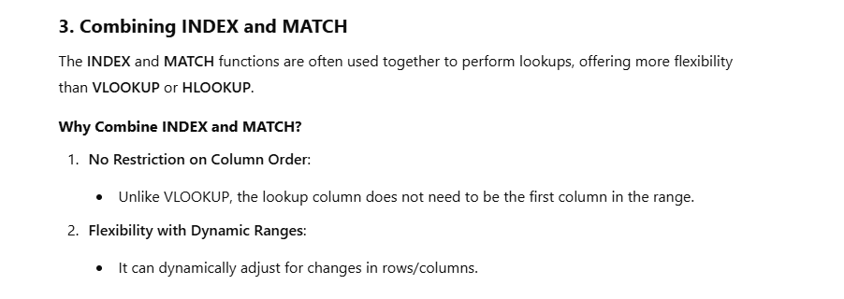

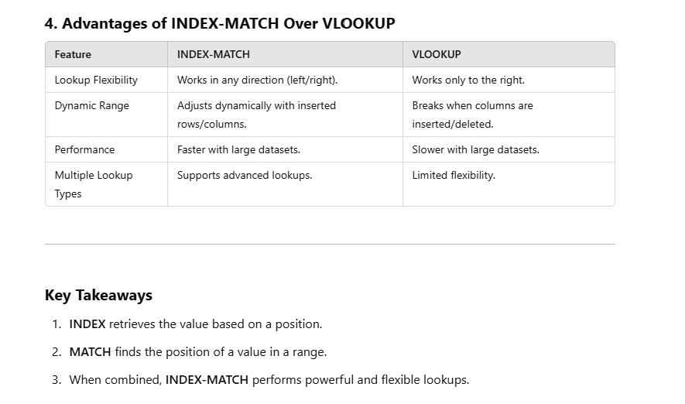

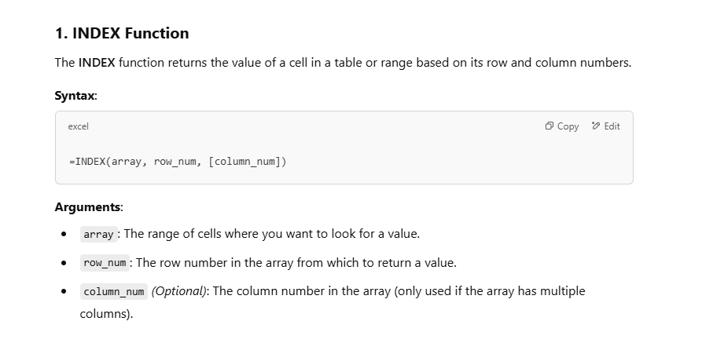

 | The INDEX function returns the value of a cell

 | Product ID | Product Name | Price
 | 101 | Laptop | 800 |  |  |  | Laptop
 | 102 | Smartphone | 500 |  |  | 800
 | 103 | Tablet | 300
 |  |  |  |  |  |  | Laptop
 |  |  |  |  |  |  | 2
Find the Name of the Product | Smartphone
Find the Price of the Product in Row 3, Column 3: | 300
 |  |  |  |  |  |  |  | index | value

 |  |  |  |  |  |  |  | match | position

 |  | 1 | 2 | 3 | 4 | 5 | 6
 | 1 |  | adt
 | 2 |  |  |  | edf | gs
 | 3 |  | ar | r | s | ee
 | 4
 | 5 | df | 49aefa3
 | 6

 |  |  | 49aefa3

Match
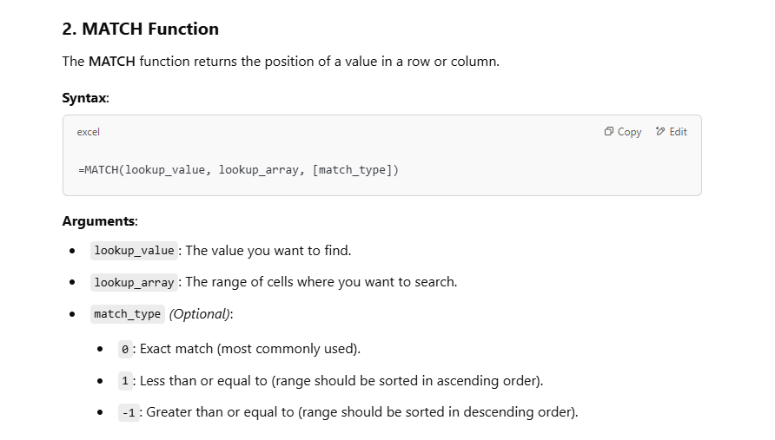
 |  |  | Match Function

 |  |  | Fortune Cookie Row:
 |  |  | Fortune

 |  |  | # | Cookie Type
 |  |  | 1 | Birthday Cake
 |  |  | 2 | Butterscotch
 |  |  | 3 | Chocolate Chip
 |  |  | 4 | Fortune
 |  |  | 5 | Snickerdoodle
 |  |  | 6 | Sugar

 |  |  | 2

The MATCH function returns the position of a value

Product ID
101
102
103
 | 3
 | 1
1

Product ID | Product Name | Price
101 | Laptop | 800
102 | Smartphone | 500
103 | Tablet | 300

